Chart - Lab mkt strength
 | Latest (Q3 2024) | 2023 | 2019 | Post-2010 average
Unemployment rate* | 0.74 | 0.90 | 1.00 | 0
Unemployed >12 months* | 0.89 | 1.08 | 0.93 | 0
Underemployment* | 1.11 | 1.35 | 1.00 | 0
Redundancy rate* | 0.76 | 0.72 | 0.43 | 0
Vacancy/ Unemployed ratio* | 0.43 | 1.10 | 0.63 | 0
Average hours* | 0.61 | -1.43 | -0.33 | 0
HMRC payroll employment | -0.11 | 0.69 | -0.09 | 0
BoE recruitment difficulties | 0.00 | 0.53 | 1.00 | 0
Private sector regular pay growth | 1.22 | 1.95 | 0.21 | 0
Participation rate* | -0.72 | -0.95 | 2.00 | 0

Chart - UPILO 1 & 3mth
 | Single month rate | Three-month rate
Jan-16 | 4.926 | 5.100
Feb-16 | 5.116 | 5.100
Mar-16 | 5.166 | 5.000
Apr-16 | 4.728 | 4.900
May-16 | 4.881 | 4.900
Jun-16 | 5.145 | 4.900
Jul-16 | 4.657 | 5.000
Aug-16 | 5.106 | 4.800
Sep-16 | 4.736 | 4.800
Oct-16 | 4.659 | 4.800
Nov-16 | 4.952 | 4.700
Dec-16 | 4.594 | 4.700
Jan-17 | 4.593 | 4.600
Feb-17 | 4.709 | 4.600
Mar-17 | 4.371 | 4.500
Apr-17 | 4.56 | 4.400
May-17 | 4.391 | 4.400
Jun-17 | 4.311 | 4.300
Jul-17 | 4.331 | 4.300
Aug-17 | 4.331 | 4.300
Sep-17 | 4.133 | 4.200
Oct-17 | 4.288 | 4.300
Nov-17 | 4.38 | 4.400
Dec-17 | 4.394 | 4.300
Jan-18 | 4.173 | 4.200
Feb-18 | 4.058 | 4.200
Mar-18 | 4.384 | 4.200
Apr-18 | 4.159 | 4.200
May-18 | 3.938 | 4.000
Jun-18 | 4.036 | 4.000
Jul-18 | 4.133 | 4.000
Aug-18 | 3.926 | 4.100
Sep-18 | 4.185 | 4.100
Oct-18 | 4.101 | 4.000
Nov-18 | 3.829 | 4.000
Dec-18 | 4.143 | 3.900
Jan-19 | 3.864 | 4.000
Feb-19 | 3.822 | 3.800
Mar-19 | 3.814 | 3.800
Apr-19 | 3.889 | 3.800
May-19 | 3.688 | 3.900
Jun-19 | 4.083 | 3.900
Jul-19 | 3.782 | 3.900
Aug-19 | 3.775 | 3.900
Sep-19 | 4.076 | 3.800
Oct-19 | 3.549 | 3.800
Nov-19 | 3.869 | 3.700
Dec-19 | 3.804 | 3.900
Jan-20 | 3.995 | 3.900
Feb-20 | 4.055 | 4.100
...

Chart - WFJ change
Health | 630
Professional services | 316
Accommodation & food | 203
Public admin | 202
Communications | 133
Education | 115
Transport | 82
Real estate | 76
Art & recreation | 63
Financial services | 48
Water | 20
Utilities | -1
Extraction | -15
Agriculture | -37
Other services | -52
Administrative services | -75
Construction | -106
Manufacturing | -111
Wholesale & retail | -265

Chart - DMP NICs
 | Nov-24 | Dec-24
Lower profit margins | 58.72 | 63.5
Higher prices | 53.64 | 54.45
Lower number of employees | 53.68 | 52.76
Lower employee wages | 37.88 | 40.67
Other | 7.51 | 7.33
None of the above | 2.67 | 3.75

Chart Data
-ve | -ve
...
Underemployment* | Redundancy rate* | Vacancy/ Unemployed ratio* | Average hours* | HMRC payroll employment | BoE recruitment difficulties | Private sector regular pay growth | Participation rate* | BCC recruitment difficulties
1.11 | 0.76 | 0.43 | 0.61 | -0.11 | 0.00 | 1.22 | -0.72 | 1.20
1.35 | 0.72 | 1.10 | -1.43 | 0.69 | 0.53 | 1.95 | -0.95 | 1.34
1.00 | 0.43 | 0.63 | -0.33 | -0.09 | 1.00 | 0.21 | 2.00 | 0.66
0 | 0 | 0 | 0 | 0 | 0 | 0 | 0 | 0
...
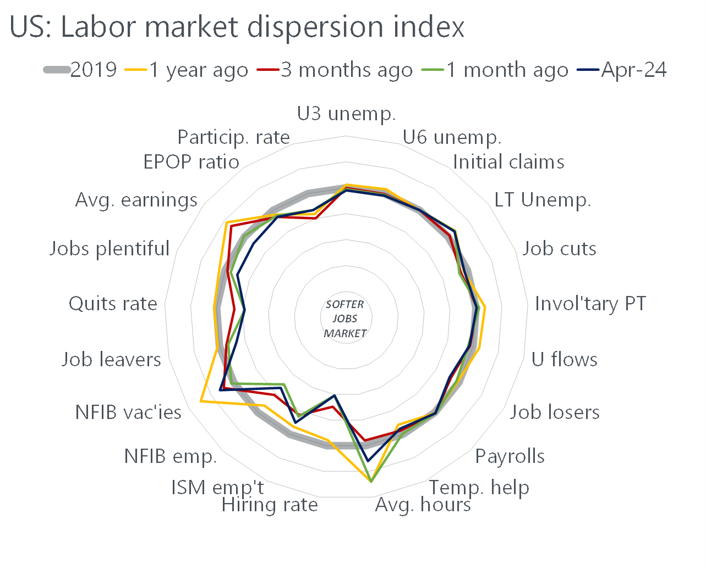
...
 | 2019 | Data source
 | looser | April household survey
 | looser | April household survey
 | tighter | Weekly jobless claims report
 | tighter | April household survey
 | looser | Challenger
 | tighter | April household survey
 | looser | April household survey
 | looser | April household survey
 | tighter | April establishment survey
 | looser | April establishment survey
 | tighter | April establishment survey
 | looser | March JOLTS report
 | looser | ISM manufacturing service
 | looser | NFIB small business optimism survey
 | tighter | NFIB small business optimism survey
 | looser | April household survey
 | looser | March JOLTS report
 | looser | April consumer confidence report
 | looser | April establishment survey
 | looser | April household survey
 | looser | April household survey
...

Chart - UPILO 1mth range & 3m
 | Single month range - min | Range of single-month estimates | Three-month rate
Jan-16 | 4.926 | 0.327 | 5.100
Feb-16 | 4.926 | 0.240 | 5.100
Mar-16 | 4.728 | 0.438 | 5.000
Apr-16 | 4.728 | 0.438 | 4.900
May-16 | 4.728 | 0.417 | 4.900
Jun-16 | 4.657 | 0.488 | 4.900
Jul-16 | 4.657 | 0.488 | 5.000
Aug-16 | 4.657 | 0.449 | 4.800
Sep-16 | 4.659 | 0.447 | 4.800
Oct-16 | 4.659 | 0.293 | 4.800
Nov-16 | 4.594 | 0.358 | 4.700
Dec-16 | 4.593 | 0.359 | 4.700
Jan-17 | 4.593 | 0.116 | 4.600
Feb-17 | 4.371 | 0.338 | 4.600
Mar-17 | 4.371 | 0.338 | 4.500
Apr-17 | 4.371 | 0.189 | 4.400
May-17 | 4.311 | 0.249 | 4.400
Jun-17 | 4.311 | 0.080 | 4.300
Jul-17 | 4.311 | 0.020 | 4.300
Aug-17 | 4.133 | 0.198 | 4.300
Sep-17 | 4.133 | 0.198 | 4.200
Oct-17 | 4.133 | 0.247 | 4.300
Nov-17 | 4.288 | 0.106 | 4.400
Dec-17 | 4.173 | 0.221 | 4.300
Jan-18 | 4.058 | 0.336 | 4.200
Feb-18 | 4.058 | 0.326 | 4.200
Mar-18 | 4.058 | 0.326 | 4.200
Apr-18 | 3.938 | 0.446 | 4.200
May-18 | 3.938 | 0.221 | 4.000
Jun-18 | 3.938 | 0.195 | 4.000
Jul-18 | 3.926 | 0.207 | 4.000
Aug-18 | 3.926 | 0.259 | 4.100
Sep-18 | 3.926 | 0.259 | 4.100
Oct-18 | 3.829 | 0.356 | 4.000
Nov-18 | 3.829 | 0.314 | 4.000
Dec-18 | 3.829 | 0.314 | 3.900
Jan-19 | 3.822 | 0.321 | 4.000
Feb-19 | 3.814 | 0.050 | 3.800
Mar-19 | 3.814 | 0.075 | 3.800
Apr-19 | 3.688 | 0.201 | 3.800
May-19 | 3.688 | 0.395 | 3.900
Jun-19 | 3.688 | 0.395 | 3.900
Jul-19 | 3.775 | 0.308 | 3.900
Aug-19 | 3.775 | 0.301 | 3.900
Sep-19 | 3.549 | 0.527 | 3.800
Oct-19 | 3.549 | 0.527 | 3.800
Nov-19 | 3.549 | 0.320 | 3.700
Dec-19 | 3.804 | 0.191 | 3.900
Jan-20 | 3.804 | 0.251 | 3.900
Feb-20 | 3.995 | 0.258 | 4.100
...

Chart - Emp pub vs priv
 | Public sector | Private sector
1/1/2019 | -31 | -65
4/1/2019 | -11 | -23
7/1/2019 | 13 | -48
10/1/2019 | 28 | 135
1/1/2020 | 53 | -173
4/1/2020 | 97 | -459
7/1/2020 | 104 | -724
10/1/2020 | 134 | -802
1/1/2021 | 214 | -841
4/1/2021 | 225 | -640
7/1/2021 | 242 | -492
10/1/2021 | 261 | -461
1/1/2022 | 280 | -344
4/1/2022 | 293 | -315
7/1/2022 | 309 | -281
10/1/2022 | 337 | -113
1/1/2023 | 373 | 163
4/1/2023 | 412 | -69
7/1/2023 | 461 | -40
10/1/2023 | 493 | -110
1/1/2024 | 519 | -111
4/1/2024 | 544 | 113
7/1/2024 | 559 | 271
10/1/2024

Chart - pub sector emp (level)
 | NHS | Education | Public administration | Police | HM forces | Other
1/1/2000 | 1197 | 1406 | 1184 | 225 | 217 | 800
4/1/2000 | 1204 | 1441 | 1178 | 225 | 217 | 784
7/1/2000 | 1213 | 1455 | 1177 | 226 | 216 | 785
10/1/2000 | 1223 | 1457 | 1177 | 227 | 215 | 782
1/1/2001 | 1235 | 1463 | 1181 | 228 | 215 | 785
4/1/2001 | 1249 | 1468 | 1185 | 229 | 214 | 792
7/1/2001 | 1263 | 1465 | 1188 | 231 | 214 | 795
10/1/2001 | 1278 | 1467 | 1197 | 234 | 214 | 769
1/1/2002 | 1292 | 1471 | 1204 | 236 | 214 | 782
4/1/2002 | 1309 | 1473 | 1212 | 238 | 214 | 780
7/1/2002 | 1325 | 1500 | 1215 | 240 | 215 | 767
10/1/2002 | 1341 | 1510 | 1236 | 242 | 215 | 781
1/1/2003 | 1359 | 1516 | 1246 | 246 | 221 | 786
4/1/2003 | 1374 | 1531 | 1257 | 248 | 223 | 788
7/1/2003 | 1391 | 1535 | 1260 | 252 | 222 | 806
10/1/2003 | 1408 | 1557 | 1258 | 256 | 221 | 801
1/1/2004 | 1426 | 1560 | 1267 | 260 | 219 | 802
4/1/2004 | 1430 | 1569 | 1270 | 264 | 218 | 794
7/1/2004 | 1443 | 1573 | 1279 | 265 | 216 | 801
10/1/2004 | 1456 | 1576 | 1278 | 267 | 214 | 806
1/1/2005 | 1466 | 1581 | 1280 | 271 | 212 | 805
4/1/2005 | 1480 | 1583 | 1287 | 272 | 210 | 814
7/1/2005 | 1485 | 1593 | 1284 | 271 | 208 | 799
10/1/2005 | 1488 | 1599 | 1284 | 274 | 206 | 795
1/1/2006 | 1484 | 1603 | 1284 | 274 | 205 | 781
4/1/2006 | 1477 | 1609 | 1283 | 274 | 204 | 776
7/1/2006 | 1460 | 1611 | 1283 | 276 | 203 | 768
10/1/2006 | 1447 | 1611 | 1280 | 279 | 202 | 763
1/1/2007 | 1448 | 1618 | 1276 | 282 | 199 | 764
4/1/2007 | 1443 | 1623 | 1269 | 283 | 197 | 765
7/1/2007 | 1444 | 1628 | 1269 | 284 | 195 | 744
10/1/2007 | 1447 | 1634 | 1257 | 284 | 195 | 736
1/1/2008 | 1451 | 1630 | 1234 | 286 | 193 | 751
4/1/2008 | 1463 | 1637 | 1226 | 286 | 193 | 753
7/1/2008 | 1483 | 1646 | 1208 | 287 | 194 | 769
10/1/2008 | 1503 | 1649 | 1210 | 289 | 193 | 764
1/1/2009 | 1503 | 1662 | 1208 | 293 | 196 | 750
4/1/2009 | 1530 | 1657 | 1208 | 294 | 197 | 735
7/1/2009 | 1546 | 1656 | 1220 | 296 | 199 | 729
10/1/2009 | 1552 | 1673 | 1213 | 295 | 199 | 726
1/1/2010 | 1557 | 1671 | 1213 | 295 | 199 | 717
4/1/2010 | 1559 | 1688 | 1200 | 292 | 197 | 697
7/1/2010 | 1551 | 1664 | 1181 | 290 | 196 | 696
10/1/2010 | 1545 | 1658 | 1175 | 286 | 196 | 687
1/1/2011 | 1539 | 1659 | 1164 | 282 | 194 | 688
4/1/2011 | 1531 | 1662 | 1120 | 277 | 193 | 671
7/1/2011 | 1523 | 1668 | 1109 | 273 | 191 | 656
10/1/2011 | 1515 | 1664 | 1093 | 270 | 190 | 656
1/1/2012 | 1507 | 1683 | 1080 | 268 | 187 | 628
4/1/2012 | 1504 | 1663 | 1078 | 266 | 186 | 621
...

Chart - pub sector emp (share)
 | NHS | Education | Public administration | Police | HM forces | Other
1/1/2000 | 24 | 28 | 24 | 4 | 4 | 16
4/1/2000 | 24 | 29 | 23 | 4 | 4 | 16
7/1/2000 | 24 | 29 | 23 | 4 | 4 | 15
10/1/2000 | 24 | 29 | 23 | 4 | 4 | 15
1/1/2001 | 24 | 29 | 23 | 4 | 4 | 15
4/1/2001 | 24 | 29 | 23 | 4 | 4 | 15
7/1/2001 | 24 | 28 | 23 | 4 | 4 | 15
10/1/2001 | 25 | 28 | 23 | 5 | 4 | 15
1/1/2002 | 25 | 28 | 23 | 5 | 4 | 15
4/1/2002 | 25 | 28 | 23 | 5 | 4 | 15
7/1/2002 | 25 | 29 | 23 | 5 | 4 | 15
10/1/2002 | 25 | 28 | 23 | 5 | 4 | 15
1/1/2003 | 25 | 28 | 23 | 5 | 4 | 15
4/1/2003 | 25 | 28 | 23 | 5 | 4 | 15
7/1/2003 | 25 | 28 | 23 | 5 | 4 | 15
10/1/2003 | 26 | 28 | 23 | 5 | 4 | 15
1/1/2004 | 26 | 28 | 23 | 5 | 4 | 14
4/1/2004 | 26 | 28 | 23 | 5 | 4 | 14
7/1/2004 | 26 | 28 | 23 | 5 | 4 | 14
10/1/2004 | 26 | 28 | 23 | 5 | 4 | 14
1/1/2005 | 26 | 28 | 23 | 5 | 4 | 14
4/1/2005 | 26 | 28 | 23 | 5 | 4 | 14
7/1/2005 | 26 | 28 | 23 | 5 | 4 | 14
10/1/2005 | 26 | 28 | 23 | 5 | 4 | 14
1/1/2006 | 26 | 28 | 23 | 5 | 4 | 14
4/1/2006 | 26 | 29 | 23 | 5 | 4 | 14
7/1/2006 | 26 | 29 | 23 | 5 | 4 | 14
10/1/2006 | 26 | 29 | 23 | 5 | 4 | 14
1/1/2007 | 26 | 29 | 23 | 5 | 4 | 14
4/1/2007 | 26 | 29 | 23 | 5 | 4 | 14
7/1/2007 | 26 | 29 | 23 | 5 | 4 | 13
10/1/2007 | 26 | 29 | 23 | 5 | 4 | 13
1/1/2008 | 26 | 29 | 22 | 5 | 3 | 14
4/1/2008 | 26 | 29 | 22 | 5 | 3 | 14
7/1/2008 | 27 | 29 | 22 | 5 | 3 | 14
10/1/2008 | 27 | 29 | 22 | 5 | 3 | 14
1/1/2009 | 27 | 30 | 22 | 5 | 3 | 13
4/1/2009 | 27 | 29 | 21 | 5 | 4 | 13
7/1/2009 | 27 | 29 | 22 | 5 | 4 | 13
10/1/2009 | 27 | 30 | 21 | 5 | 4 | 13
1/1/2010 | 28 | 30 | 21 | 5 | 4 | 13
4/1/2010 | 28 | 30 | 21 | 5 | 3 | 12
7/1/2010 | 28 | 30 | 21 | 5 | 4 | 12
10/1/2010 | 28 | 30 | 21 | 5 | 4 | 12
1/1/2011 | 28 | 30 | 21 | 5 | 4 | 12
4/1/2011 | 28 | 30 | 21 | 5 | 4 | 12
7/1/2011 | 28 | 31 | 20 | 5 | 4 | 12
10/1/2011 | 28 | 31 | 20 | 5 | 4 | 12
1/1/2012 | 28 | 31 | 20 | 5 | 3 | 12
4/1/2012 | 28 | 31 | 20 | 5 | 3 | 12
...

Chart - WFJ change (short)
 | 01/07/2024
Agriculture | -37
Extraction & utilities | 4
Manufacturing | -111
Construction | -106
Distribution, accommodation & food | -62
Transport & comms | 215
Financial services | 48
Business services | 318
Public services | 959

Chart - Lab cont to PEDY!
 | Labour income | Other | Nominal household income
2014 | 2.3 | 1.2 | 3.5
2015 | 2.0 | 3.6 | 5.7
2016 | 2.0 | -0.1 | 2.0
2017 | 2.4 | 0.3 | 2.7
2018 | 2.6 | 1.5 | 4.1
2019 | 2.1 | 1.5 | 3.6
2020 | 0.0 | 0.1 | 0.1
2021 | 3.8 | 0.3 | 4.1
2022 | 4.6 | 1.6 | 6.2
2023 | 5.4 | 3.7 | 9.1
2024 | 3.4 | 3.2 | 6.6
2025 | 2.9 | 1.1 | 3.9
2026 | 2.4 | 1.0 | 3.4

Chart - Lab cont to PEDY
 | Labour income | Other | Real household income
2014 | 1.1 | 1.2 | 2.3
2015 | 2.4 | 3.6 | 6.1
2016 | 0.8 | -0.1 | 0.7
2017 | 0.6 | 0.3 | 0.9
2018 | 0.5 | 1.5 | 2.0
2019 | 0.6 | 1.4 | 2.1
2020 | -0.1 | -0.3 | -0.4
2021 | 1.2 | 0.4 | 1.6
2022 | -3.9 | 2.1 | -1.8
2023 | -1.5 | 3.6 | 2.1
2024 | 0.8 | 3.0 | 3.8
2025 | 0.1 | 1.0 | 1.1
2026 | 0.0 | 1.0 | 1.0

Chart - WC & COGTP
 | Unit wage costs (LHS) | Corporate profits (RHS)
2012 | -1.0 | 22.0
 | 0.7 | 21.9
 | 0.6 | 22.7
 | 1.2 | 22.7
2013 | 0.7 | 23.0
 | 2.6 | 21.9
 | 2.8 | 22.2
 | 2.3 | 22.0
2014 | 2.5 | 21.7
 | -1.5 | 22.4
 | -1.9 | 23.8
 | -1.6 | 23.4
2015 | -0.7 | 22.8
 | 0.7 | 22.4
 | 2.5 | 21.6
 | 2.0 | 22.1
2016 | 1.5 | 22.0
 | 2.6 | 21.6
 | 2.2 | 22.1
 | 1.7 | 22.6
2017 | 1.8 | 22.6
 | 1.3 | 22.2
 | 0.7 | 22.1
 | 1.2 | 22.8
2018 | 2.5 | 21.9
 | 1.5 | 22.0
 | 3.0 | 21.7
 | 4.2 | 21.5
2019 | 2.5 | 21.2
 | 4.4 | 21.3
 | 2.6 | 22.0
 | 1.4 | 22.3
2020 | 3.9 | 21.6
 | 24.7 | 24.3
 | 10.4 | 23.6
 | 11.7 | 21.8
2021 | 10.0 | 22.0
 | -13.6 | 22.6
 | -2.5 | 21.7
 | -4.3 | 21.6
2022 | -3.6 | 21.1
 | 2.3 | 21.4
 | 4.7 | 21.1
 | 7.3 | 22.7
2023 | 7.6 | 23.5
 | 8.1 | 21.6
 | 7.2 | 21.0
 | 6.8 | 20.5
2024 | 5.5 | 20.5
 | 4.7 | 20.3
...

